Sheet1
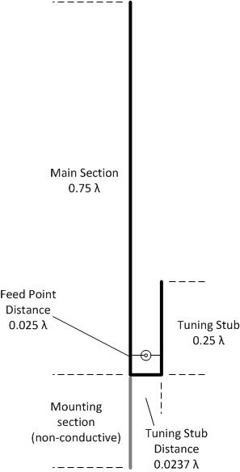
J-pole antenna Calculator |  |  | Velocity factor of various materials:
 |  |  | Copper tubing | 0.95
Enter frequency (MHz) |  | 102.5 | Brass tubing | 0.95
Velocity factor |  | 0.95 | Aluminum tubing | 0.94
 |  |  | Steel | 0.9
 |  |  | Stainless Steel | *
 |  |  | Iron | 0.9
 |  |  | Copper wire | 0.9-0.85

Main section length | 82.08 | Inches | Calculations based on:
 | 208.5 | cm | Imperial measurement, wavelength (feet)=984/f (Mhz) x VF
 |  |  | Metric measurement, wavelength (meters)=300/f (MHz) x VF

Feed point distance | 2.69 | Inches
 | 7.0 | cm
 |  |  | Tuning stub legnth |  | 27.36 | Inches
 |  |  |  |  | 69.5 | cm

 |  |  | Tuning stub distance |  | 2.57 | Inches
 |  |  |  |  | 6.6 | cm

